Sheet1
 |  |  |  | 

630 |  |  |  |  |  |  |  | House Foundation Types | Cost Per Square Foot
*Only Edit Yellow Boxes* |  |  |  |  |  |  |  | Monolithic Concrete Slab | $5 – $14 | Avg - $9.50
 |  |  |  |  |  |  |  | Stem Wall Concrete Slab | $5 – $6
OFFER CALCULATOR |  |  | SQFT HOME |  |  |  |  | Pier and Beam | $7 – $11 | Avg - $9.00
 |  |  | 1,500 |  |  |  |  | Crawl Space | $7 – $14 | Avg - $10.50
ARV - | $350,000.00 | 0
 |  |  | EXTERIOR COSTS (not including install) |  |  |  |  | Average Roof Cost Per Square Foot
Desired Profit - | $15,000.00 |  |  |  |  |  |  | Asphalt - | $4.00
 |  |  | Foundation - | Pier & Beam | Concrete Slab | Crawl Space |  | Slate - | $24.00
REPAIRS - | $10,000.00 |  |  | $13,500.00 | $14,250.00 | $15,750.00 |  | Tile - | $23.00
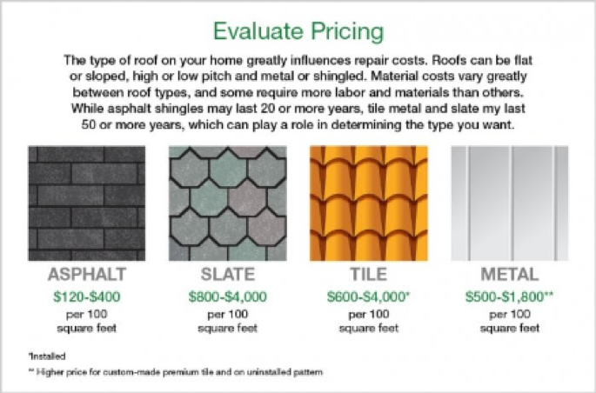
 |  |  |  |  |  |  |  | Metal - | $11.50
MAO @ 80% - | $255,000.00 |  | Roof Replaced - | Asphalt | Metal | Tile | Slate
 |  |  |  | $8,250.00 | $17,250.00 | $34,500.00 | $36,000.00
MAO @ 75% - | $237,500.00
 |  |  | Electric Repairs - | Rewiring | Rewiring + Fuse Box
MAO @ 70% - | $220,000.00 |  |  | $3,975.00 | $5,825.00

MAO @ 65% - | $202,500.00 |  | Plumbing Repairs - | Septic Tank | New Plumbing
 |  |  |  | $4,000.00 | $4,500.00
MAO @ 60% - | $185,000.00
 |  |  | Heating Repairs - | Furnace
MAO @ 55% - | $167,500.00 |  |  | $3,000.00

RETAIL OFFER |  |  | Cooling Repairs - | AC Unit
 |  |  |  | $3,750.00
With Agent - | $307,000.00 |  |  |  |  |  |  | Average Cost to Rewire By Square Foot - |  | $1.56 - $3.75
 |  |  | Siding Repairs - | Vinyl | Stucco | Brick |  | Average Cost for a Fuse Box - |  | $1,200 - $2,500
Without Agent - | $317,500.00 |  |  | $4,500.00 | $11,250.00 | $13,500.00
 |  |  |  |  |  |  |  | Installing new plumbing or repiping an entire home costs $2,000 to $15,000. Replacing or installing new fixtures or small sections of piping, like a bathtub, sink, or toilet will cost between $450 and $1,800 per fixture depending on if it's a rough-in or full install.
 |  |  | Painting (per square foot) - | $6,000.00
 |  |  |  |  |  |  |  | Rough-in plumbing for new construction costs $8,000 to $12,000, or about or about $4.50 per square foot for an average 2,000 square foot home with 2 or 3 bathrooms. Repiping an existing home the same size runs $3,100 to $5,500, or $0.40 to $2.00 per linear foot.

 |  |  | INTERIOR COSTS (not including install)

 |  |  | Flooring Repairs - | Carpet | Tile | Vinyl / Linoleum | Laminate | Hardwood
 |  |  |  | $3,000.00 | $4,500.00 | $9,000.00 | $11,250.00 | $21,000.00

 |  |  | Countertop Material Cost - (per square foot) | Laminate / Formica | Corian | Quartz | Granite | Marble
 |  |  |  | $8-$27 | $20-$75 | $15-$70 | $15-$140 | $15-$190

 |  |  | Kitchen Cabinet Cost - (per unit) | Stock | Semi-Custom | Custom
 |  |  |  | $200 - $650+ | $250 - $800+ | $500 - $1,000+

 |  |  | Bug Fumigation - | $3,000.00

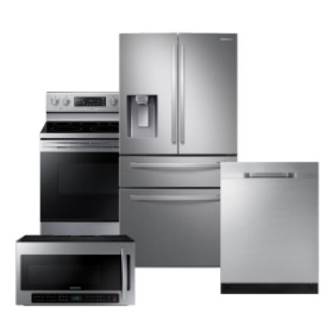
 |  |  | Stainless Steel Appliances |  |  | Appliances Bundled
 |  |  |  |  |  | $2,000 - $4,000

