Splash
Excel VBA Tutorial: Find the Last Cell, Row or Column on a Worksheet
Click here for online article

GET STARTED NOW
Click here to start

Overview
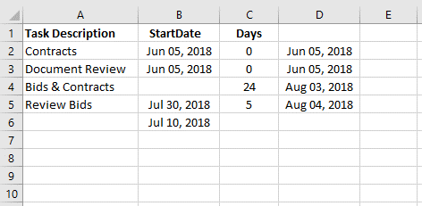
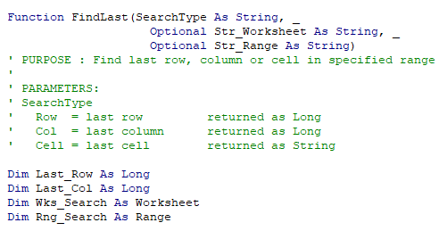
4 ways to use VBA to Find the Last Cell, Row, or Column

Press Alt + F11 on the keyboard to open the VBA Editor and view the code.

#1 Range.SpecialCells
- Find Last Used Cell
- Use to help remove un-used Cells
#2 Range.End
- Searches Single Row or Column
- Data Set must have no blank Cells

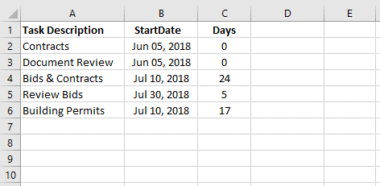
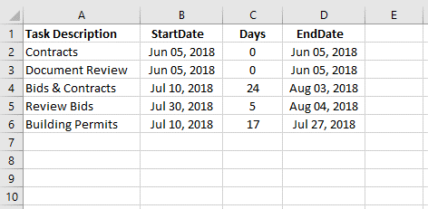

Ctrl + Arrow
Ctrl + End

#3 Range.Find
- Searches Entire Range / Sheet
- OK with blank Cells in Data Set
#4 User Defined Function
- Can specify last cell, row or column
- Can use in worksheet formulas

